IRR
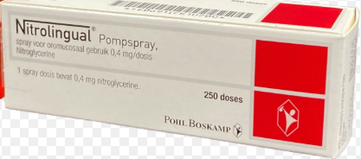
ITEM | QTY | UOM | MFG. | MFG. P/N | DESCRIPTION | MAT. MAST. NO. | UNIT PRICE | TOTAL PRICE | REMARK
1 | 05 | pcs |  |  | Nitrolingual Spray 0.4mg/dose

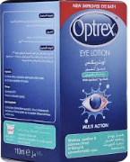
2 | 05 | pcs |  |  | Optrex Eye Lotion 110ml

3 | 05 | pcs |  |  | Capsule Omeprazole 20mg, (15 cap/bottle).
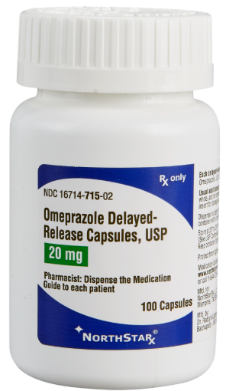

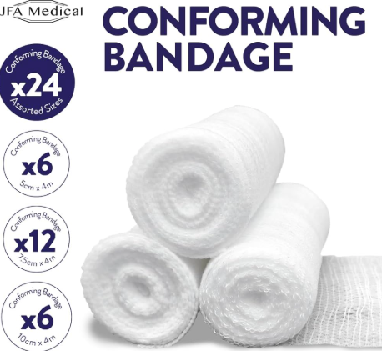
4 | 10 | pcs |  |  | Elastic conforming bandages 5cm*4 m,
5 | 10 | pcs |  |  | Elastic conforming bandages 7.5cm * 4m
6 | 10 | pcs |  |  | Elastic conforming bandages 10cm * 4m

7 | 20 | pcs |  |  | Vitamin C water soluble tabs.(1000mgtabs)2 0tabs/bottle.
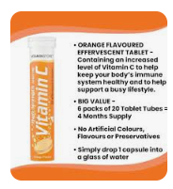

8 | 02 | box |  |  | T. Premosan 10mg (20 tabs/box)

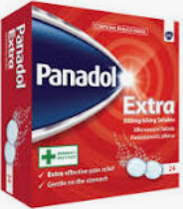
9 | 05 | box |  |  | T.Panadol Extra 500mg (24 tabs/box)

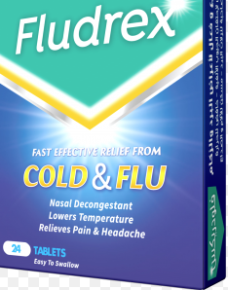
10 | 05 | box |  |  | T.Fludrex (24tabs/box)

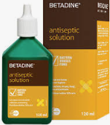
11 | 05 | pcs |  |  | Betadine antiseptic solution

12 | 05 | pcs |  |  | FENISTIL Gel - 30G

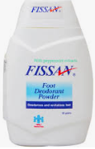
13 | 05 | pcs |  |  | FISSAN Foot deo powder -50G

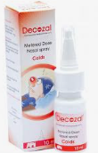
14 | 05 | pcs |  |  | DECOZAL – 10 ML NASAL SPRAY

15 | 05 | PCS |  |  | SILVER NITRATE GEL 0.2%

